1. Title Page
[Grocery Basket Analysis ]

Date: 1st September 2023
Analyst Name: Ted BERNAYS

Contents:
Population Flow
Consistency checks
Wrangling steps
Column derivations
Visualizations
Recommendations
Data citation :
“The Instacart Online Grocery Shopping Dataset 2017”, Accessed from www.instacart.com/datasets/grocery-shopping-2017 via Kaggle on August 16th 2023

NOTE: the customer data as well as the “prices” column in the products data set, were both fabricated for the purpose of the analysis course.

2. Population Flow
Title page

Exclusion flag
Condition: max_order < 5
Obervations to be removed: 32 514
Final total count of order_products_all: :
32 401 975

Population flow

Total: 32 404 859
Total: 32 401 975
Total: 32 640 698

Orders_products_combined
Orders_products_merged
Orders_products_all

3. Consistency checks
 |  |  |  | Title page

Consistency checks

Dataset | Missing values | Missing values treatment | Duplicates
products | column product_name: 16 missing values | removed from the dataframe. they havent been deleted from the dataset | 5 duplicates dropped with thef ollowing product_id: 462, 18459, 26810, 35309, 35495, 35491
orders | column days_since_prior_order: 206 209 | none. They represent client with only 1 order. We could flag it and change the name to "unique_order_client" | none

orders_products_prior | none
customers | first_name column: 11 259 | drop column | none

4. Wrangling steps
 |  |  |  | Title page

Wrangling steps

Columns dropped | Columns renamed | Columns' type changed | Comment/Reason
eval_set |  |  | order.csv.no relevant for analysis. Only screening 'prior'
aisle_id |  |  | not relevant for analysis
 | order_dow ' |  | TO 'orders_day_of_week'. order_dow wasnt clear
 |  |  | Department dataframe transposed
 |  |  | Department dataframe: creation of index & header
 |  |  | Department dataframe: creation of dictionary
 |  | order_id ' | int to string. Avoid including in the analysis
 | order_number |  | to 'number_order_client'

 | First Name |  | to lower case: to have all customers columns headers in lower case
 | Surnam |  | to lower case: to have all customers columns headers in lower case
 | Gender |  | to lower case: to have all customers columns headers in lower case
 | STATE |  | to lower case: to have all customers columns headers in lower case
 | Age |  | to lower case: to have all customers columns headers in lower case
first_name |  |  | for security & privacy reasons
surname |  |  | for security & privacy reasons

5. Column derivations
 |  |  |  | Title page

Column derivations

Dataset | New column | Column/s it was derived from | Conditions
orders_products_merged | price_label | prices | if price_range > 15, then 'high-range product' if price_range 5 <= 15 then 'mid-range product' if price_range <= 5 'low-range product'
orders_products_merged | busiest_day | orders_day_of_the_week | Busiest day: 0, Least busy: 4 Regularly busy: all other values
orders_products_merged | busiest_days | orders_day_of_the_week | Busiest Days: order_day_of_week = 0 or 1 Slowest days: order_day_of_week = 4 or 3 Regularly busy: all else
orders_products_merged | busiest_period_of_day | order_hour_of_day | Most orders: [10, 11, 14, 15, 13, 12, 16, 9] Fewest orders: [23, 6, 0, 1, 5, 2, 4, 3] Average orders: all other values
orders_products_merged | loyalty_flag | max_order | Loyal customer: value > 40 Regular customer: value<=40 and >10 New customer: value <10
orders_products_merged | spending_flag | mean_price | Low spender: < 10 High spender: >=10
orders_products_merged | frequency_flag | median_days | Frequent customer: > 20 Regular customer: > 10 and <= 20 Non-frequent customer: <=10
all_data | region | state | South West Midwest Northeast (defined by Census Bureau-designated areas)
all_data | high_frequency flag | user_id counts | order count >= 5
all_data_above_5_orders | age_group | age | age_labels = ['18-29', '30-39', '40-49', '50-65', 'over 65']
 | income_category | income | Low income : < 30 000 Middle income: 30 000 >= ; < 75 000 High income >= 75 000
 | has pets' | department_id | if department id = 8 ; then 'Has Pet' is return Yes
 | family_type | n_dependants | single adult: no dependants small family: 1 or 2 children big family: 3 or more children

6. Viz_Orders & time
Title page
What are the busiest days of the week and hours of the day in order to schedule ads at times when there are fewer orders?
. Are there particular times of the day when people spend the most money ?

Visualisations

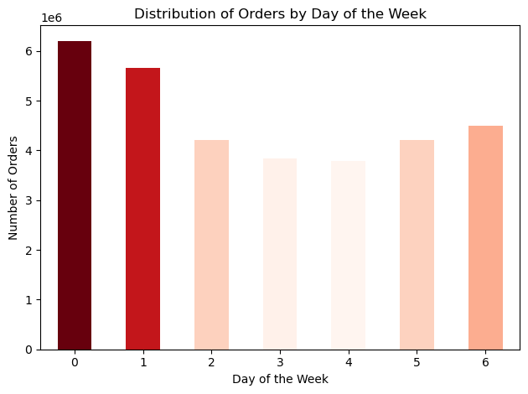
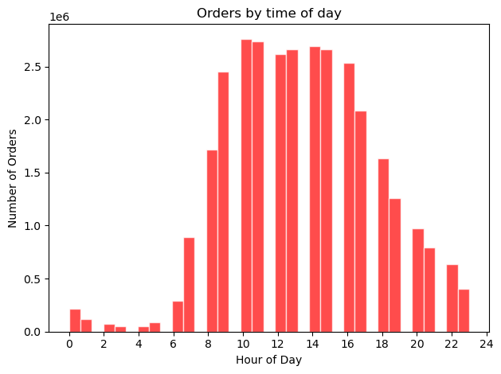
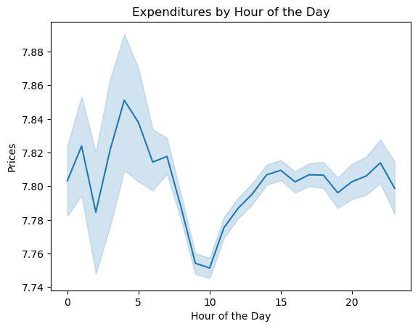

Peak of orders: 10h-11h
Busiest window for orders: 10h - 16h
Weak windows: 6h-8h & 20h-23h
Days with most orders: 0. Saturday: 6 204 182 orders
1. Sunday: 5 660 230 orders
Day with less orders:
3. Tuesday: 3 840 534 orders
4. Wednesday: 3 783 802 orders
10h : less expenditures items
4h: most expenditures

At 10h, a lot of orders are made but for buying cheaper products

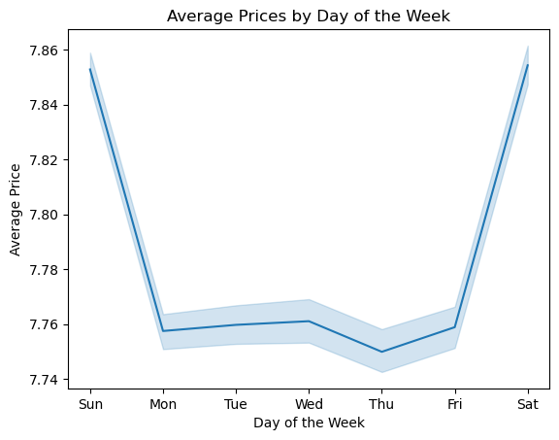

Sample of dataset : 30% (randomised)
Thursday: Average prices expenditures is the lowest
Week end: Average prices expenditures is the highest

6.1 Viz_customer_profiles
Title page

Visualisations
- What different classifications does the demographic information suggest? Age/income/types of goods/family status

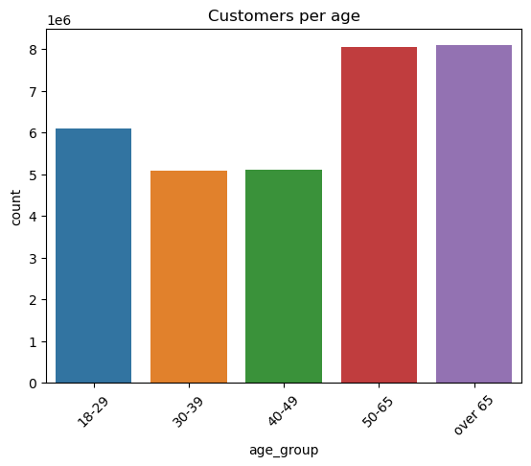
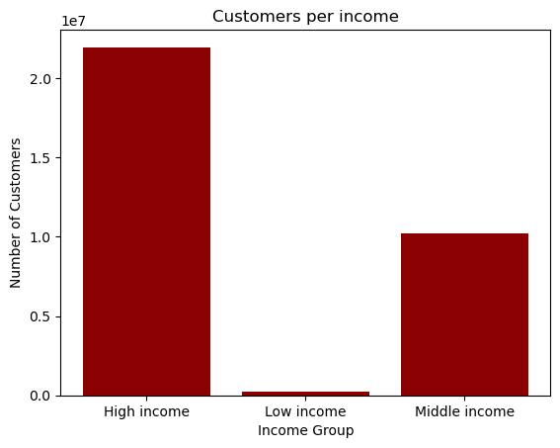

A dominant of older & eldery people (over 50 years)
The customers of Instacart have mainly high incomes.

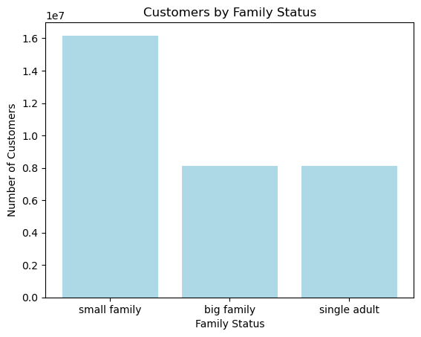
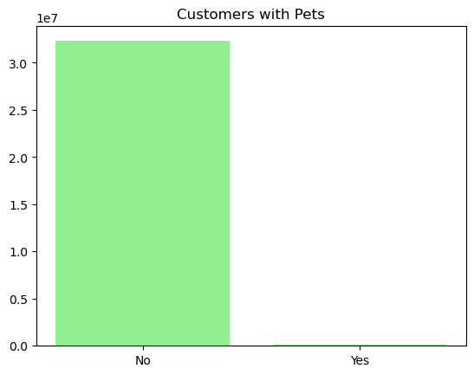

There is a dominant of familly having 1 or 2 children among customers
Customers having pets is really small.

6.2 Viz_customer_profiles (2)
Title page
- What different classifications does the demographic information suggest? Age? Income? Certain types of goods? Family status?
- Are there differences in ordering habits based on a customer’s region?

Visualisations

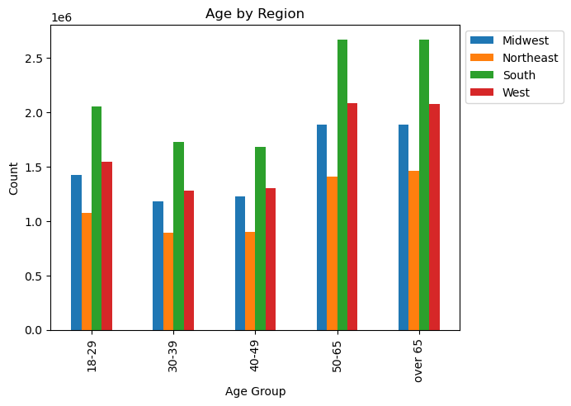
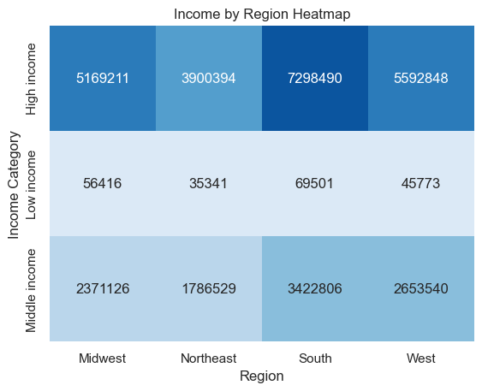
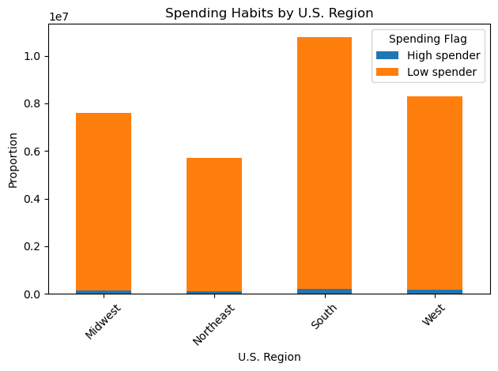

Eldery people from south represent most of the customers
Geographic presence of customer based on income category
Spending habits between the different U.S. regions

The richer customers are locate in southern regions. those regions also find the most lower spenders

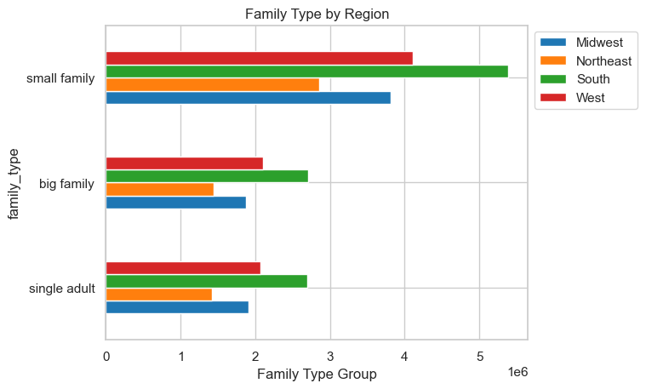
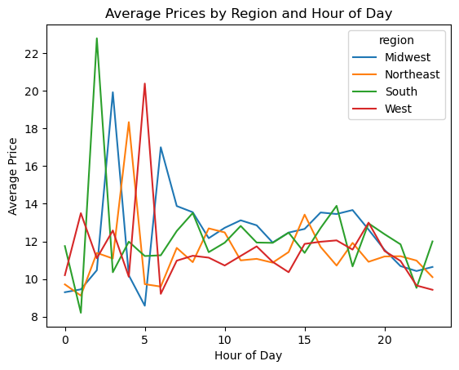

Dominance of small family from southern regions among customers

we see differents peak of average price spent depending on region

6.3 Viz_prices_products
Title page
- There is a lot of different price tags. How a simpler price range groupings can be used?
- Are there certain types of products that are more popular than others?
- Which departments have the highest frequency of product orders ?

Visualisations

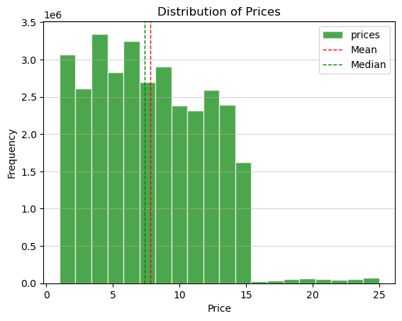
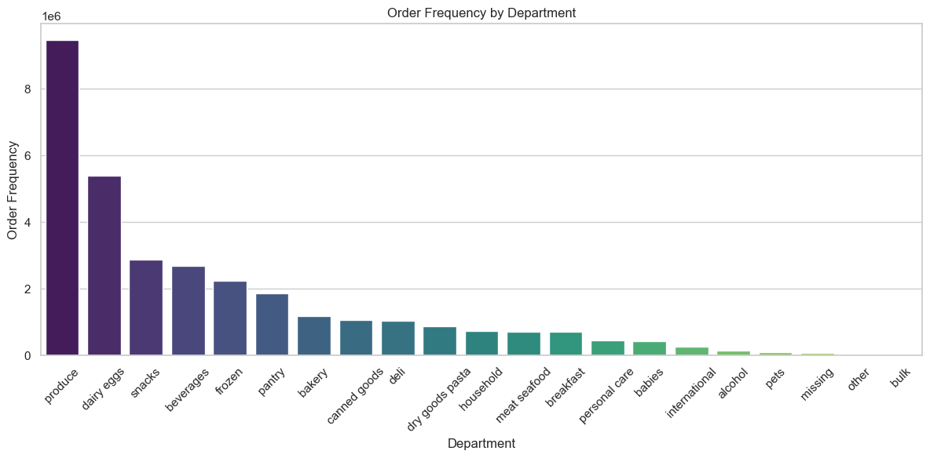

by department

Frequency of orders

- The product prices range from 1 to 25$
- The average price is 7.8 $
1st quartile = 4.2 $
median = 7.4 $
3rd quartile = 11.3 $
Standard deviation = 4.2$
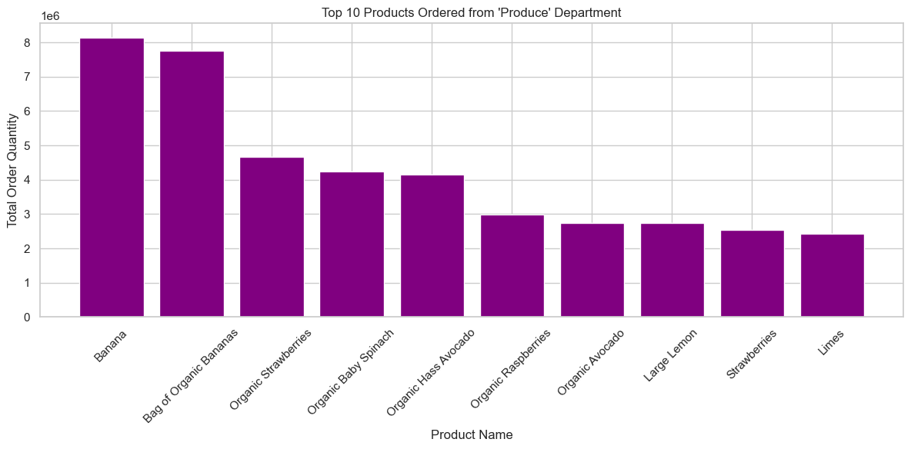

in the produce department

6.4 Viz_orders_habits
Title page
- What’s the distribution among users in regards to their brand loyalty ?
- Are there differences in ordering habits based on a customer’s loyalty status?

Visualisations

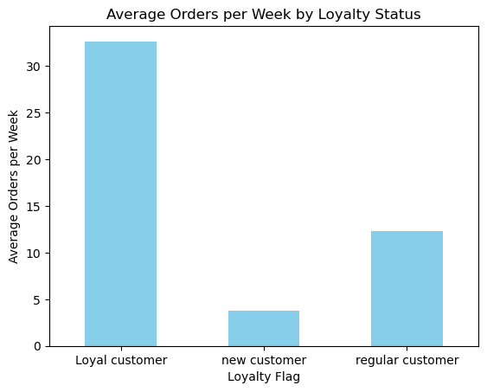
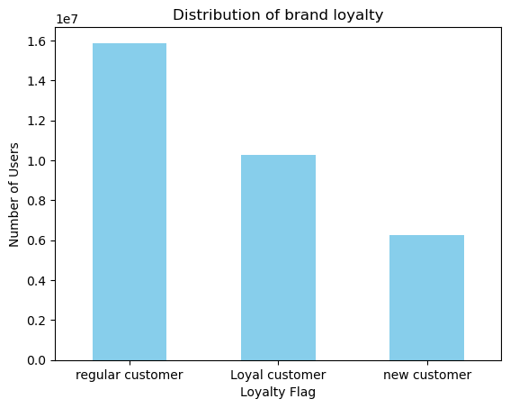

Distribution of users depending of loyalty
Ordering frequencies based on loyalty status

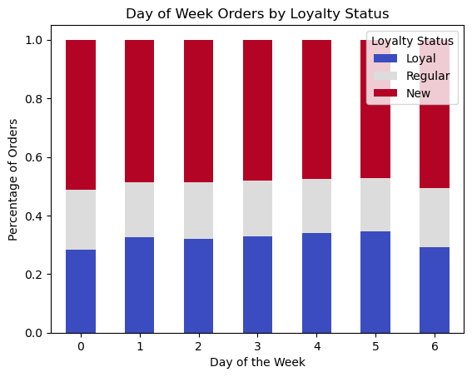
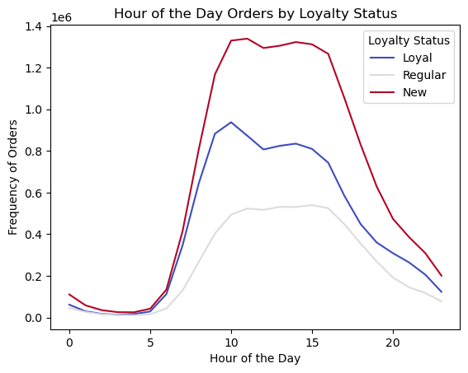

0 = saturday, 1 = sunday ...
Loyal customer tend to peak their orders at 10h30. Regular customer don't seem to have a hours prefred to order

6.5 Viz_orders_habits (2)
Title page
- Is there a connection between age and family status in terms of ordering habits?

Visualisations

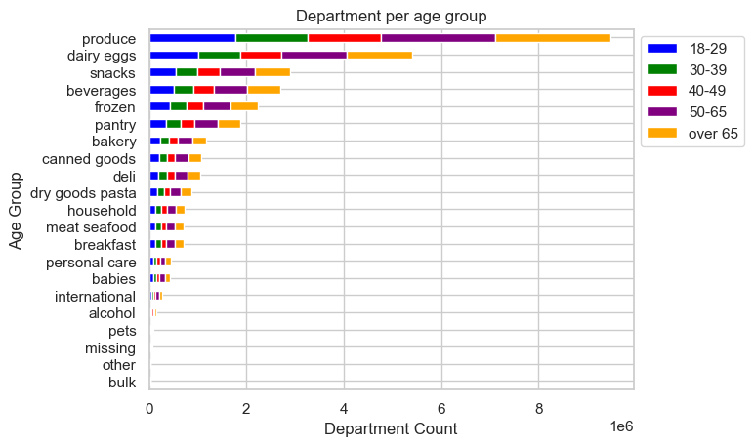
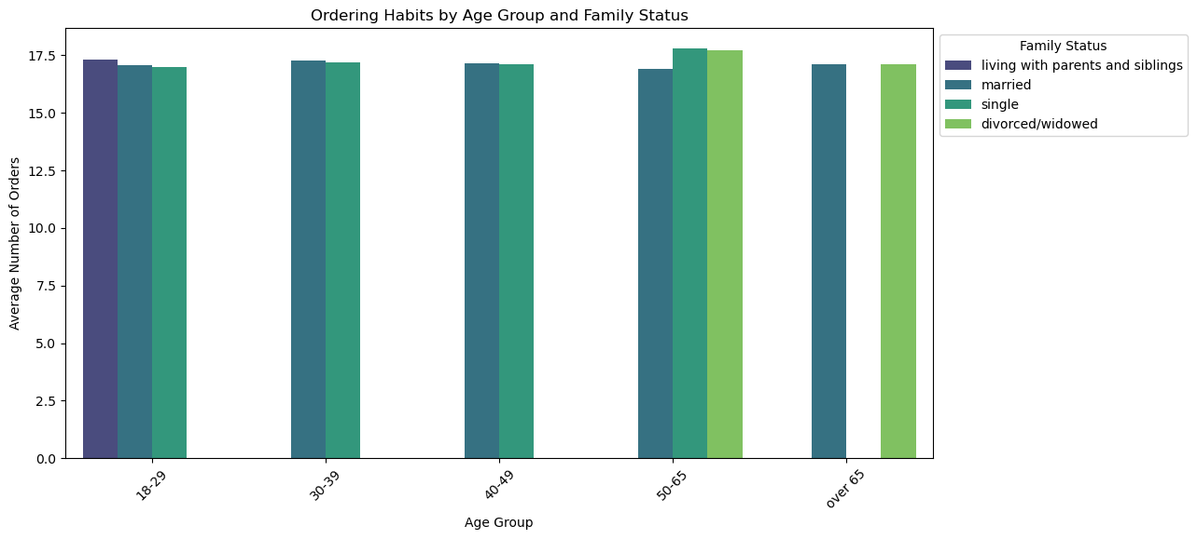

Top product category:
1. Produce
2. dairy & eggs
3. Snacks
the repartiton by age doesnt really give us more informations

Single & divorced people tend to make the most order when they are between 50 & 65 years old

7. Recommendations
 |  |  |  |  | Title page

Recommendations

Question | Column1 | Column2 | Answer | Recommendations

What are the busiest days of the week and hours of the day |  |  | Tuesday & Wednesday are the days with less orders. At 10h, a lot of orders are made but for buying cheaper products | Schedule more ads on Tuesday & Wednesday

 |  |  | 10h : less expenditures items
 |  |  | 4h: most expenditures
Are there particular times of the day when people spend the most money ?

 |  |  | - The product prices range from 1 to 25$
There is a lot of different price tags. How a simpler price range groupings can be used? |  |  | - The average price is 7.8 $ | define 3 different price groups: - low price: less than 4.2 $ - mid price: between 4.2$ & 11.3$ - high price: above 11.3 $
 |  |  | 1st quartile = 4.2 $
 |  |  | median = 7.4 $
 |  |  | 3rd quartile = 11.3 $

Which departments have the highest frequency of product orders ?

 |  |  |  | Produce and dairy products are the most popular departments Emphasize those categories

Are there certain types of products that are more popular than others?
 |  | Top 5 products:
 |  | . banana . organic bananas . organic strawberries . organic baby spinach . organic avocado |  | Put higher prices and those top ordered products

What’s the distribution among users in regards to their brand loyalty ?

Are there differences in ordering habits based on a customer’s loyalty status?
 |  |  | . Loyal customers tend to order more on Thursday . New customers order more on Friday

 |  |  | Loyal customer tend to peak their orders at 10h30. Regular customer don't seem to have a hours prefered to order

Are there differences in ordering habits based on a customer’s region? |  |  | The richer customers are locate in southern regions. | The Northeast region is a market to conquer
 |  |  | those regions also find the most lower spenders

 |  |  | the most expensive products tend to be ordered between 1 and 6AM.

Is there a connection between age and family status in terms of ordering habits?
 |  |  | Single & divorced people tend to make the most order when they are between 50 & 65 years old | Orient the ads to eldery people.

 |  |  | See TAB 6.1
What different classifications does the demographic information suggest? Age? Income? Certain types of goods? Family status?

